Sheet1
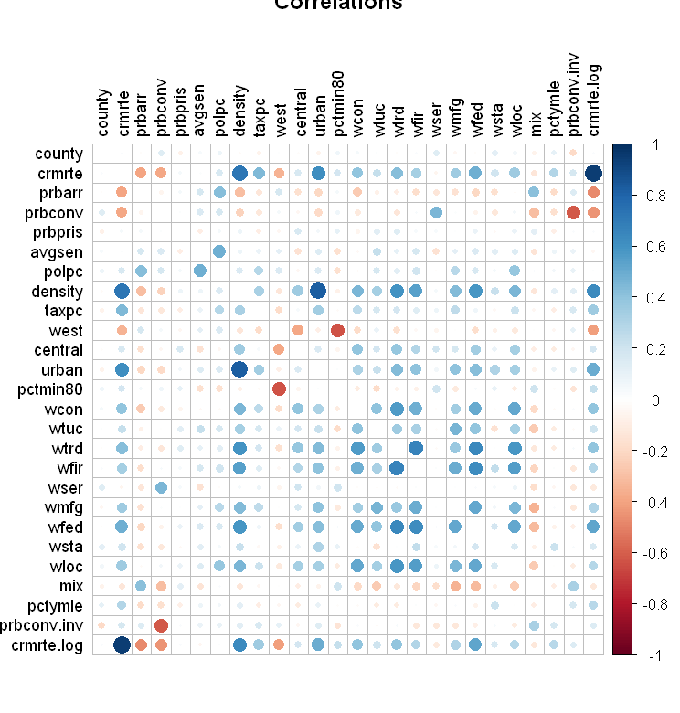
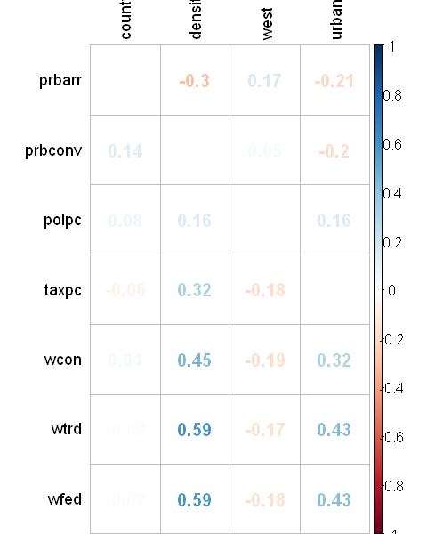
 | Variable | Predicted | Correlated with crime (EDA) | Relevant for public policy | Confounding variable | Included in the regression
3 | crmrte | X | - | - | - | X
4 | prbarr | - | X | X | - | X
5 | prbconv | - | X | X | - | X
8 | polpc | - | X | X | - | X
9 | density | - | X | - | X | X
10 | taxpc | - | X | X | - | X
13 | urban | - | X | - | X | X
15 | wcon | - | X | X | - | X
17 | wtrd | - | X | X | - | X
21 | wfed | - | X | X | - | X

